Read Me First
How to enter data into each field (see "Input" worksheet)
1) For those cells marked in yellow, just use the drop down list and find the one that you need. You can use mouse pointer or click <Alt> and up/down arrow key.
2) For those cells not marked in any color, enter what you need but please provide details.
3) To add more control or eval cells, copy the "Cell xx Description" range (row no. 3 to 18) as shown below to the next new line.
4) Delete excess cell record, if any.
5) Each "Cell xx Description" record contains 16 field entries and holds unique BOM information.
6) The number of "Cell xx Descripion" records must match what is in the Lumirel csv file format. Delete excess "Cell xx Desription" record.
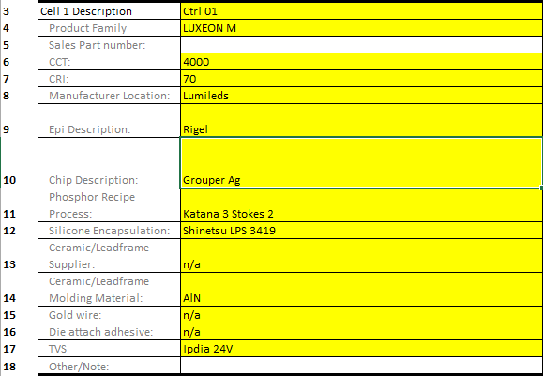

This is "Cell 1 Description" record and contains 16 lines (no. 3 to 18). This is one record or one cell.

Instructions on how to update new item not in the drop down menu list.
1) Always use the drop down menu list to find the appropriate entry
2) If the drop down list does not have the one you need, go to the "Data" worksheet tab and update it there. From time to time, I'll send an updated list for the "Data" worksheet.
3) For e.g. you need to add a new LED manufacturer location called "ABC Co.". Just type in there and you will this entry in the drop down list. You can also sort the list within individual column.
4) Caution: Please check thoroughly that the item that you want to add does not appear in the list already! No duplicates!
